Cover page
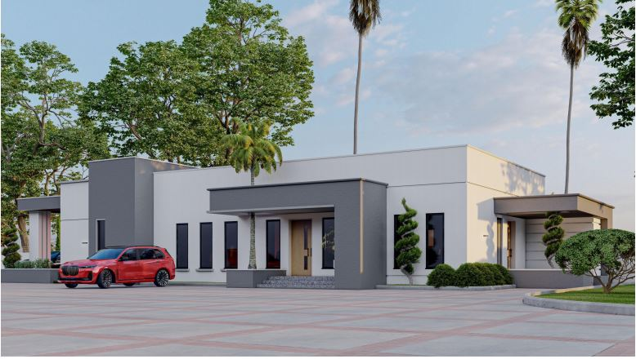
BILL OF QUANTITIES

FOR

PROPOSED RESIDENTIAL DEVELOMENT 5 BEDROOM TERRACE (4 UNITS)

PROJECT:
PROPOSED RESIDENTIAL, AT PLOT 332, CADASTRAL ZONE B11 KAURA DISTRICT, ABUJA - F.C.T.

Architects | Quantity Surveyors
 | COST & TENDER LIMITED

JULY, 2024

